Hoja1
PUBLICACIONES EN REDES SOCIALES RENDICIÓN DE CUENTAS 2026

FACEBOOK | X | LINKEDIN | INSTAGRAM | TIKTOK | FECHA | PRODUCTO | PANTALLAZO

https://www.facebook.com/photo/?fbid=1350423387197780&set=pb.100066903944891.-2207520000 | https://x.com/colombiacompra/status/2077877827467190519?s=20 | https://www.linkedin.com/feed/update/urn:li:activity:7483660410357882880 | NA | NA | 2026-07-16 | Pieza gráfica | 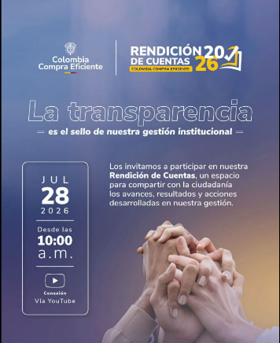
https://www.facebook.com/photo/?fbid=1355730023333783&set=pb.100066903944891.-2207520000 | https://x.com/colombiacompra/status/2080366950123810825?s=20 | https://www.linkedin.com/feed/update/urn:li:activity:7486130379100446720 | NA | NA | 2026-07-23 | Pieza gráfica | 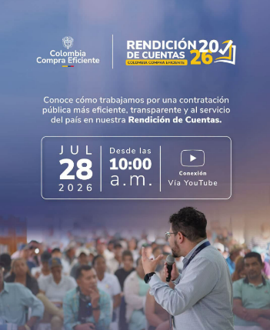
https://www.facebook.com/photo/?fbid=1356610649912387&set=pb.100066903944891.-2207520000 | https://x.com/colombiacompra/status/2080773384233754715?s=20 | https://www.linkedin.com/feed/update/urn:li:activity:7486537750091952129 | NA | NA | 2026-07-24 | Pieza gráfica | 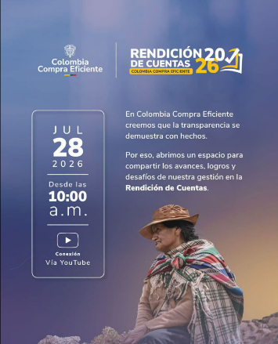
https://www.facebook.com/content/insights/?content_id=UzpfSTEwMDA2NjkwMzk0NDg5MToxMzU3MjQ3MDg2NTE1NDEwOjEzNTcyNDcwODY1MTU0MTA%3D&entry_point=ProdashCometContentLibraryTable | https://x.com/colombiacompra/status/2081058293666009259?s=20 | https://www.linkedin.com/feed/update/urn:li:activity:7486825814823583745 | https://www.instagram.com/p/DbOQ9SNPJP1/ | https://www.tiktok.com/@colombiacompraeficiente/video/7666510102349745426 | 2026-07-25 | video | 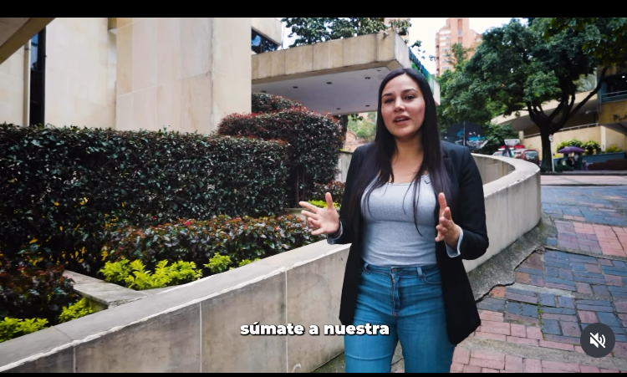
https://www.facebook.com/content/insights/?content_id=UzpfSTEwMDA2NjkwMzk0NDg5MToxMzU3Mzk2NDI5ODMzODA5OjEzNTczOTY0Mjk4MzM4MDk%3D&entry_point=ProdashCometContentLibraryTable | https://x.com/colombiacompra/status/2081133230829224238?s=20 | https://www.linkedin.com/feed/update/urn:li:activity:7486897189177380864 | https://www.instagram.com/p/DbOyxOoP-hi/ | https://www.tiktok.com/@colombiacompraeficiente/video/7666584171120299272 | 2026-07-25 | video | 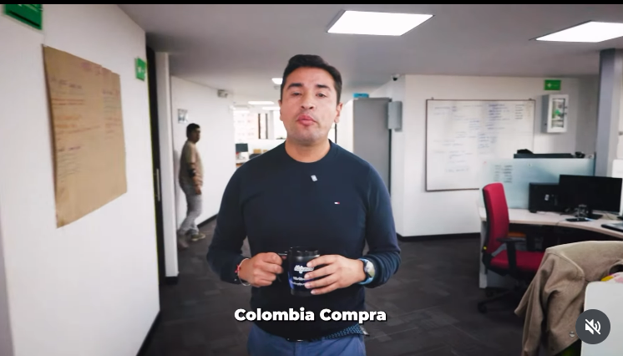
https://www.facebook.com/content/insights/?content_id=UzpfSTEwMDA2NjkwMzk0NDg5MToxMzU3OTYwMzgzMTEwNzQ3OjEzNTc5NjAzODMxMTA3NDc%3D&entry_point=ProdashCometContentLibraryTable | https://x.com/colombiacompra/status/2081387351633277395?s=20 | https://www.linkedin.com/feed/update/urn:li:activity:7487151798663929856 | https://www.instagram.com/p/DbQm168v_7I/ | https://www.tiktok.com/@colombiacompraeficiente/video/7666844307998969096 | 2026-07-26 | video | 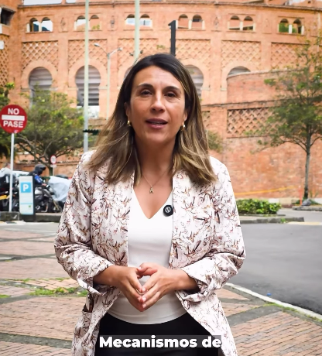
https://www.facebook.com/content/insights/?content_id=UzpfSTEwMDA2NjkwMzk0NDg5MToxMzU4MTQzNzMzMDkyNDEyOjEzNTgxNDM3MzMwOTI0MTI%3D&entry_point=ProdashCometContentLibraryTable | https://x.com/colombiacompra/status/2081463249912856605?s=20 | https://www.linkedin.com/feed/update/urn:li:activity:7487227886068826113 | https://www.instagram.com/p/DbRJYGMPyiE/ | https://www.tiktok.com/@colombiacompraeficiente/video/7666921815066922248 | 2026-07-26 | video | 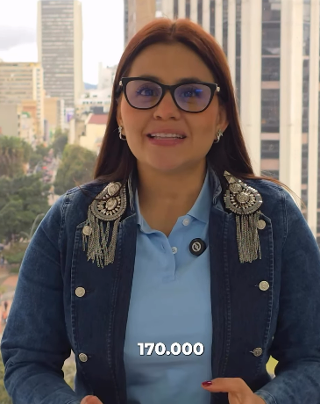
https://www.facebook.com/content/insights/?content_id=UzpfSTEwMDA2NjkwMzk0NDg5MToxMzU4OTQzNDAzMDEyNDQ1OjEzNTg5NDM0MDMwMTI0NDU%3D&entry_point=ProdashCometContentLibraryTable | https://x.com/colombiacompra/status/2081820192531714141?s=20 | https://www.linkedin.com/feed/update/urn:li:activity:7487588184474914816 | https://www.instagram.com/p/DbTq5qAvEuQ/ | https://www.tiktok.com/@colombiacompraeficiente/video/7667302262234172680 | 2026-07-27 | video | 
https://www.facebook.com/photo/?fbid=1359567189616733&set=pb.100066903944891.-2207520000 | https://x.com/colombiacompra/status/2082102603131822282?s=20 | https://www.linkedin.com/feed/update/urn:li:activity:7487868291424714752 | NA | NA | 2026-07-28 | Pieza gráfica | 